Explanation
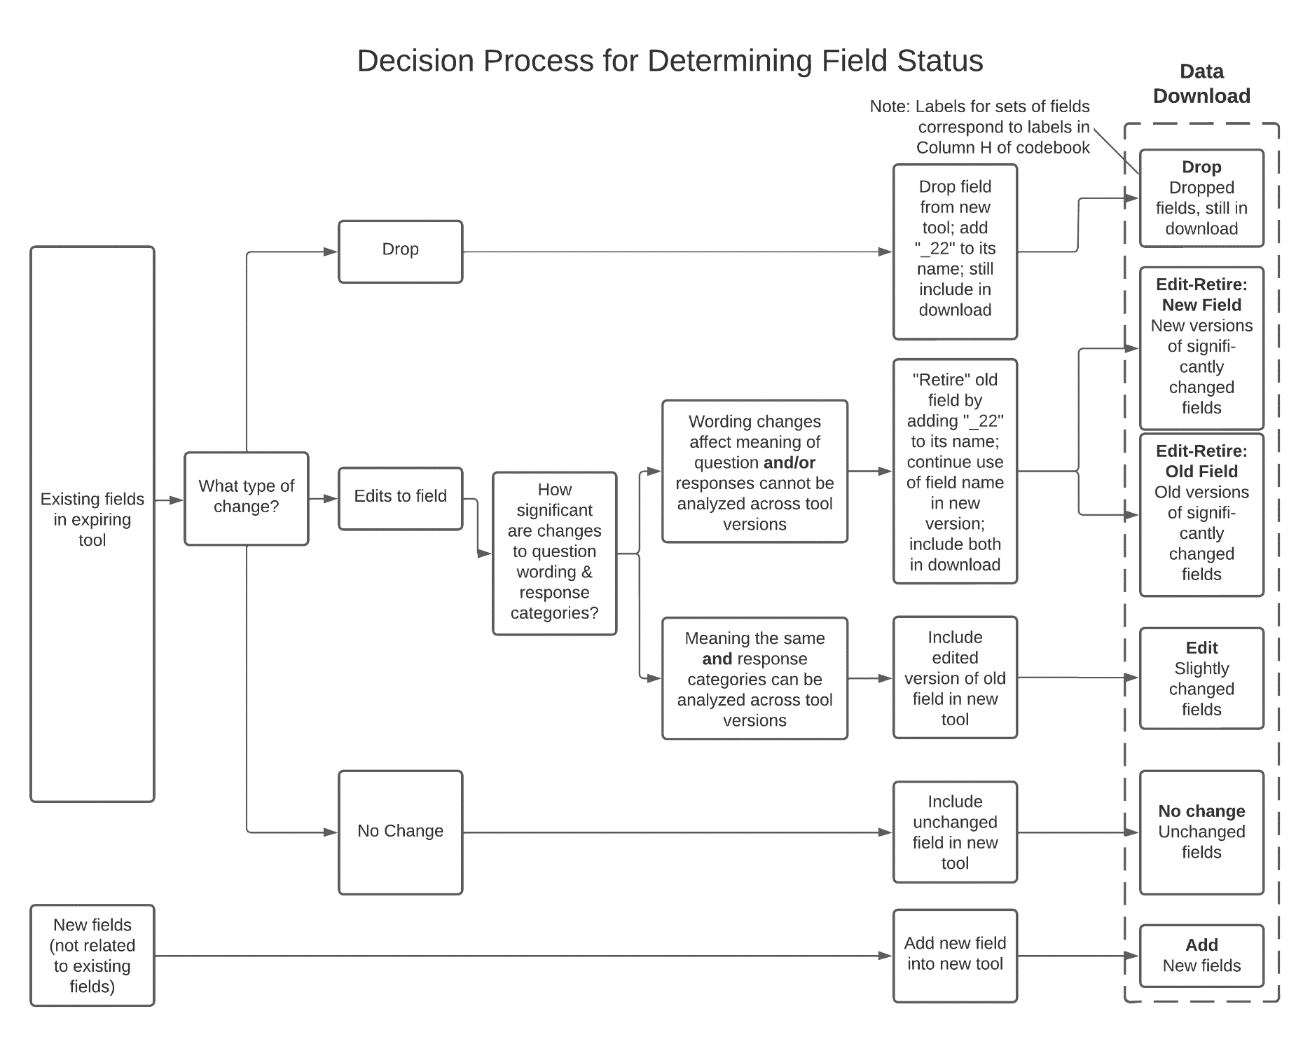
Explanation of CSAT GPRA Codebook Elements | Description for the decision process flowchart depicted below is located in cell B6.
Note: This CSAT GPRA Codebook is being released to aid grantees in understanding the new tool and in transitioning their own systems and practices to accommodate the new tool. While the codebook is as accurate as possible at this time, there may be changes required as the new GPRA tool is finalized and tested in the SPARS system. It is expected that any changes will be minor; please watch for updates to this codebook as the deployment of the new tool goes live in SPARS.
Overview: This CSAT GPRA Codebook contains information about the fields that will be available for data download after the new GPRA tool has been deployed in SPARS. For this transition period, this version of the GPRA codebook features "crosswalk" information between the fields in the old and new tools (see further explanation below).
Codebook columns: The codebook contains a set of columns (A-G) for the new tool, and a set of columns (J-N) for the old tool. The columns pertaining to the old tool are copied from the expiring GPRA codebook. The gray column H, in between the new and old sets, indicates the nature of the change for each field from the old tool to the new tool (see explanation below). This information may be helpful for grantees working to transition their own data systems. Column I flags those fields that should be included in uploads for the new CSV batch upload feature in SPARS (see further explanation under "Using the codebook to aid CSV batch uploads" below). Grantees interested primarily in the new data may wish to focus only on columns A-G.
Codebook rows: There is a row in the codebook for every field that will appear in the data download from SPARS. The data download will include both fields from the new tool, and, where different, fields from the old tool as well (see explanation below) so that grantees may have all their data from before and after the tool change in an integrated file. Therefore, there is a row in the codebook for every field that appears in either the new tool and/or the old tool. | blank
Types of field changes: The gray column H indicates the changes for each field between the old and new tools. The first line indicates the category of change and is always one of the six categories listed below. Please see the flowchart which describes the decision process for categorizing fields. Unchanged fields, as well as straight adds and drops of fields, are straightforward. For fields that exist in both the new and old tools but that were edited, the category is based on the extent of the edits. If the edits did not substantively alter the meaning of the question, and the new and old response categories were conformable for analysis, that field was designated as an Edit. Appropriate changes were made to the new field, and the new and old responses will appear in the same column in data download. For fields where the meaning changed substantially or the response categories changed in a way that would not support analysis across the different tool versions, Those fields were designated as Edit-Retire fields. The old field was "retired" by appending "_22" to its name, and a new version of the field was created using the existing field name. The six types of field change are as follows: | The figure is a flowchart of the decision process for categorizing fields in the data download. The figure starts on the left with two boxes, for existing fields and totally new fields. On the far right is a set of six boxes indicating six different types of fields in the data download. Intermediate boxes linked by arrows show the decision process by which fields are categorized from the two starting boxes on the left to the six types on the right. Completely new fields in the new tool have only one pathway. They are added to the new tool and categorized as type “Add” in the codebook. Existing fields are evaluated for their type of change. There are three possible branches. First, the field could exist in the expiring tool but be dropped from the new tool. In that case, the field is renamed with “_22” appended to its name, and categorized as type “Drop” in the codebook. Second, the field could be unchanged between the old and new tools. In that case the field is simply added to the new tool and categorized as type “No change” in the codebook. Third, the field could be edited in the new version of the tool. In this case the pathway goes to a box asking how substantial the changes in the field are, with two branches coming out. If the wording and value changes are not substantial, the field is edited and continued in the new tool. These fields are classified as type “Edit” in the codebook. If the changes to the question wording are substantive, or the response category changes make analysis across the different tool versions difficult, the field from the expiring tool is “retired” by adding “_22” to its name, and a new version of the field with the old field name carries on in the new tool. These two types of fields are classified as “Edit-Retire: Old Field” and “Edit-Retire: New Field” respectively in the codebook.
No change: There was no change in the field between old and new tools. | blank
Add: The field is for a new item that was added by SAMHSA in the new tool, there is no related item in the old tool. | blank
Drop: The field existed in the old tool but was dropped in the new tool. These fields are included in data download, so that grantees can have historical data integrated with new data in one file. | blank
Edit: There were edits to the field but they were not, in our judgment, so significant that one could not analyze the new and old responses together in a single column. | blank
Edit-Retire: Old Field: There were edits to the field that were, in our judgment, substantial enough to make old and new responses too different to analyze together in a single column. The old field was "retired" by appending "_22" to its name. Note that the "retired" field is included in data downloads for data continuity. | blank
Edit-Retire: New Field: There were edits to the field that were substantial enough to make old and new responses too different to analyze together in a single column. The new field carries on with the same field name as was used in the old tool. | blank
Types of edits: In column H of the codebook, for fields that were edited in moving from the old to the new tool, the subsequent lines of the cell indicate the type of edits that were done. They may be any combination of the following: - Wording change - Field name change - Values change | blank
Using the codebook to aid in CSV batch uploads: As mentioned above, the codebook includes a row for every field that appears in either the old tool or the new tool. The new CSV batch upload feature in SPARS is available only for the new tool, so does not accept fields that have been dropped or retired from the new tool. Furthermore, some fields that appear in data downloads are calculated by SPARS (e.g. the FFY of the interview) and are not uploaded by grantees. Grantees using the codebook to help them format data for CSV batch upload may filter on a value of 1 in Column I (Upload Field) to isolate the subset of fields required for CSV batch upload. Filtering to show only items with a 1 in column I will hide the dropped, retired, and SPARS-calculated fields. | CSAT GPRA Codebook
End of worksheet

